Indices

 | Iraq Stock Exchange
 | Bulletin No (66)
 | ISX Trading Indices of Sunday 19/4/2026

 | Traded Volume and OTC |  | 886,464,290 |  | Traded Value and OTC |  | 1,211,177,936 |  | Traders | 1397

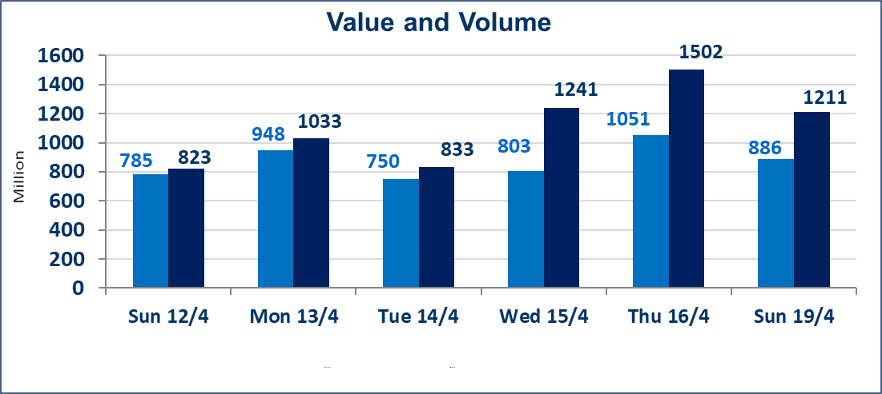
 | ISX Index 60 |  |  | 989.12 | ISX Index 15 |  |  | 1288.39
 | Previous ISX Index60 |  |  | 983.30 | Previous ISX Index15 |  |  | 1282.39
 | Change % |  |  | 0.59 | Change % |  |  | 0.47
 | Change |  |  | 5.82 | Change |  |  | 6.00

 | Listed Companies | 104 | OTC | 14 | Non Traded listed | 40 | OTC | 12
 | Traded Listed Companies | 55 | OTC | 2 | Higher Companies |  |  | 14
 | GAM Companies |  |  | 1 | Lower Companies |  |  | 10
 | Suspended Companies |  |  | 8
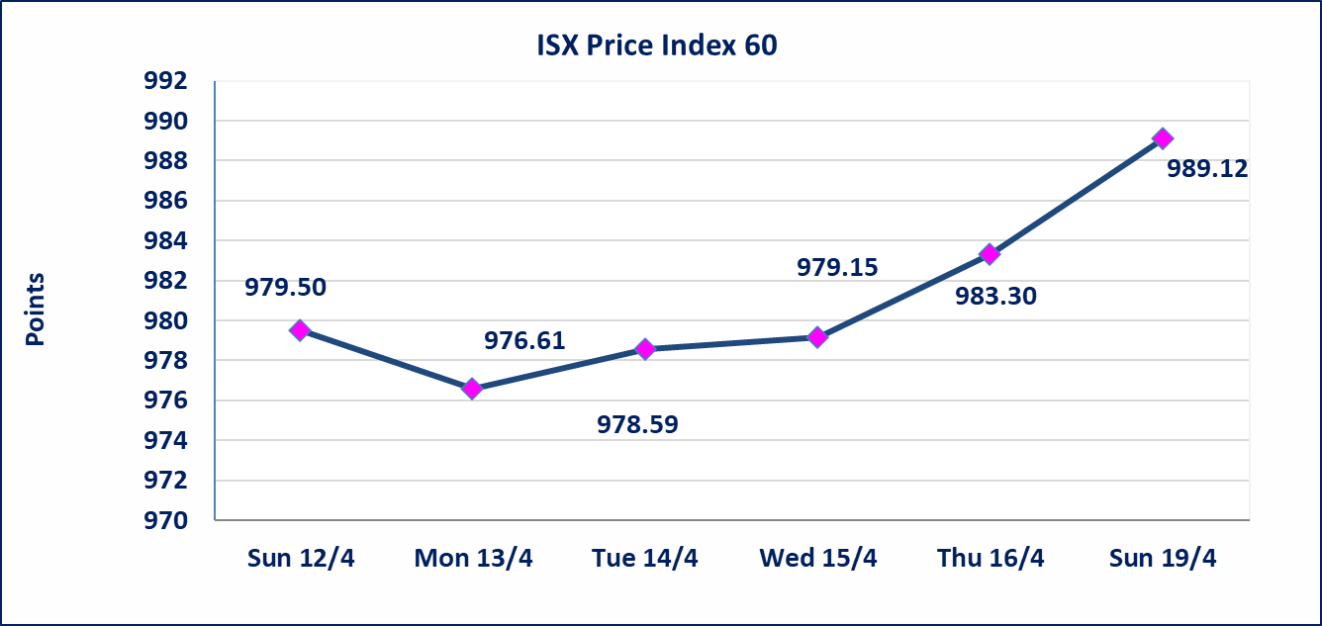
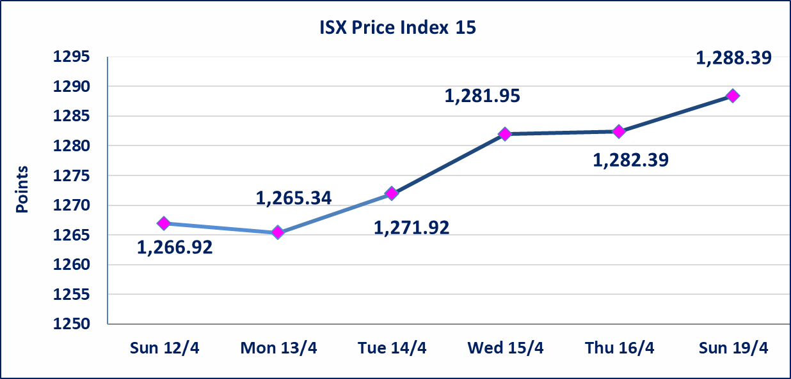

Al-Alwiya P.O . 3607 Mobile: 07711211522 - 07270094594 - 07834000034 E-mail: info-isx@isx-iq.net Web site:www.isx-iq.net

Top 5
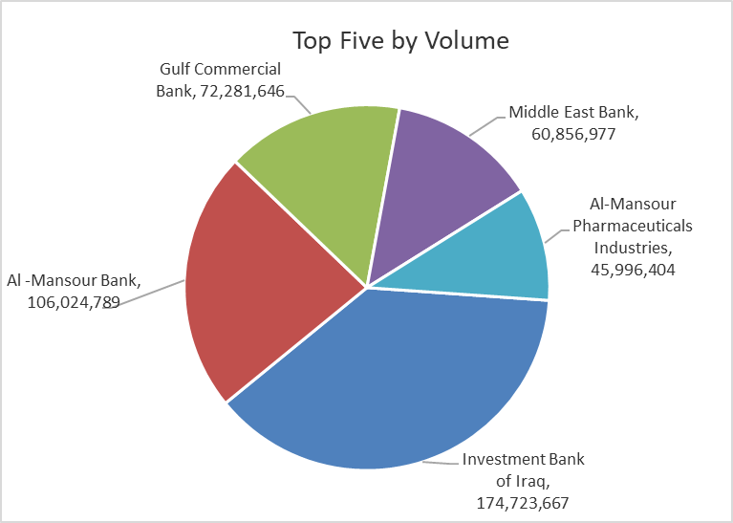
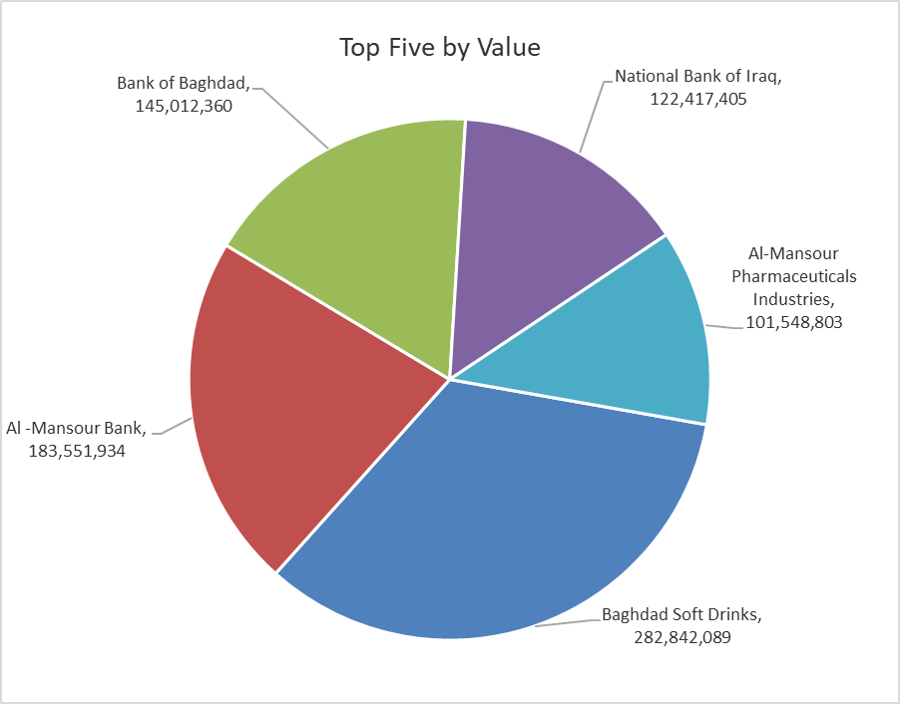

ISX top ganing and losing companies
Sunday 19/4/2026
 | Gainers |  |  |  | Losers
 | Company Name | Closing Price | Change (%) | Traded Volume | Company Name | Closing Price | Change (%) | Traded Volume
 | Middle East Bank | 0.100 | 11.11 | 60,856,977 | Investment Bank of Iraq | 0.210 | -4.55 | 174,723,667
 | Babil Animal & Vegetable Production | 9.030 | 5.00 | 353,801 | Al-Hilal Industries | 1.300 | -3.70 | 604,704
 | AL-Badia for General Trans | 1.110 | 4.72 | 6,261,764 | Trans Iraq Bank Investment | 0.300 | -3.23 | 2,000,000
 | Fallujah for construction Materials | 2.900 | 4.32 | 10,622,000 | The Light Industries | 1.220 | -1.61 | 1,297,664
 | Baghdad Soft Drinks | 6.330 | 2.43 | 44,912,400 | Al-Hamraa for Insurance | 4.530 | -1.52 | 32,987
 | The most active companies in term of traded volume and value

 | Traded Volume |  |  |  | Traded Value
 | Company Name | Closing Price | Change (%) | Traded Volume | Company Name | Closing Price | Change (%) | Traded Value
 | Investment Bank of Iraq | 0.210 | -4.55 | 174,723,667 | Baghdad Soft Drinks | 6.330 | 2.43 | 282,842,089
 | Al -Mansour Bank | 1.730 | -0.57 | 106,024,789 | Al -Mansour Bank | 1.730 | -0.57 | 183,551,934
 | Gulf Commercial Bank | 0.380 | 0.00 | 72,281,646 | Bank of Baghdad | 3.320 | 0.00 | 145,012,360
 | Middle East Bank | 0.100 | 11.11 | 60,856,977 | National Bank of Iraq | 5.090 | 0.00 | 122,417,405
 | Al-Mansour Pharmaceuticals Industries | 2.200 | 0.00 | 45,996,404 | Al-Mansour Pharmaceuticals Industries | 2.200 | 0.00 | 101,548,803

Non Iraqi

Iraq Stock Exchange
Non Iraqis' Bulletin Sunday April 19 2026
Regular Market

Non Iraqi Trading of Regular Market (Buy)
Company Names | Code | No.of trades | Traded Shares | Trading Volume
Banks Sector
Al-Mansour Bank | BMNS | 1 | 8,090 | 13,996
Total Bank sector |  | 1 | 8,090 | 13,996
Grand Total |  | 1 | 8,090 | 13,996
Non Iraqi Trading of Regular Market (Sell)
Company Names | Code | No.of trades | Traded Shares | Trading Volume
Banks Sector
National Bank Of Iraq | BNOI | 33 | 4,776,147 | 24,363,350
Al-Mansour Bank | BMNS | 2 | 2,000,000 | 3,470,000
Total Bank sector |  | 35 | 6,776,147 | 27,833,350
Grand Total |  | 35 | 6,776,147 | 27,833,350
Non Iraqi Trading of Second Market (BUY)
Company Names | Code | No. of trades | Traded Volume | Traded Value
Banks Sector
Credit Bank Of Iraq | BROI | 1 | 3,122 | 1,873
Total Bank sector |  | 1 | 3,122 | 1,873
Grand Total |  | 1 | 3,122 | 1,873

Not Trading Bonds

Iraq Stock Exchange
Sunday 19/4/2026
Not Trading Bonds Bulletin
Bond type | Publish type | Code | last trading price | immortilize date
Banaa Bonds /Million ID | Second | CB20 | 964,981 | 19/12/2025
Eamar Bonds /Million ID | First | CB30 | 1,001,095 | ــــــــــــــــ
Eamar Bonds /Million ID | Second | CB40 | ــــــــــــــــ | ــــــــــــــــ
Eamar Bonds /500 Thousand ID | Third | CB45 | ــــــــــــــــ | ــــــــــــــــ
Eamar Bonds /Million ID | Third | CB50 | ــــــــــــــــ | ــــــــــــــــ
Injaz Bonds /500 Thousand ID | First | CB55 | ــــــــــــــــ | ــــــــــــــــ
Injaz Bonds /Million ID | First | CB60 | ــــــــــــــــ | ــــــــــــــــ
Injaz Bonds /500 Thousand ID | Second | CB65 | 507,301 | ــــــــــــــــ
Injaz Bonds /Million ID | Second | CB70 | 965,050 | ــــــــــــــــ
Injaz Bonds /500 Thousand ID | Third | CB75 | ــــــــــــــــ | ــــــــــــــــ
Injaz Bonds /Million ID | Third | CB80 | 978,182 | ــــــــــــــــ
National Bonds/Million ID | First | CB90 | ــــــــــــــــ | ــــــــــــــــ
National Bonds/500 Thousand ID | Second | CB95 | ــــــــــــــــ | ــــــــــــــــ
National Bonds/Million ID | Second | CB100 | ــــــــــــــــ | ــــــــــــــــ

